Programming Admin_Planning
DIABPS Sprint 1.2 - DIABPS-126 TEST CASE SCENARIO |  | TESTER INFO
Test Case ID: | DIABPS_126#01 | Created By: | Kana Raghavan
Test Scenario: | User with appropriate roles able to reactivate a requirement | Created On: | 2026-08-24
User Story: | Reactivate a requirement( Planning and Execution Modules) | Reviewed By: | Jordan Helman
Story Description: | As a Programming Admin, user can deactivate a requirement | Reviewed On:
Environment: | GIBS Test | Executed By: | Kana Raghavan
User Role(s): | Programming Admin for (ES/DS) Org | Executed On: | 2026-09-02
Pre-Conditions: | User able to login to Planning module successfully as Programming Admin who is assigned to specific Org (ES/DS)
Acceptance Criteria | Acceptance Criteria: From a deactivated requirement (see DIABPS-65: Deactivate a Requirement (Planning and Execution Modules) In Testing ), the user can take the action to reactivate a requirement The system will set the requirement as active Then the user can see the “Update Requirement” action (seeDIABPS-41: Update a Requirement (Planning and Execution Modules) In Testing ) Then the user can also see the “Deactivate Requirement” action (see DIABPS-65: Deactivate a Requirement (Planning and Execution Modules) In Testing ) The system will record the user who performed the action and the date and time it was performed

Step Number | Step Description | Input Data | Expected Results | Pass/Fail
STEP 1 | Login to GIBS test environment as Programming Admin (ES/DS) https://ams-test.appiancloud.us/suite/ | Username: | User able to login successfully | Pass
STEP 2 | Select "Planning" module from the dropdown and click on requirements tab | N/A | User able to launch planning module and open requirements tab | Pass
STEP 3 | Requirements grid is displayed with default "Active" requirements | N/A | User able to view requirements grid | Pass
STEP 4 | Click on "Show Filter" and select Active "No" and click search | N/A | User able to use Filter options | Pass
STEP 5 | Deactivated requirement(Inactive) is displayed | N/A | User able to view deactivated requirement/Inactive status | Pass
STEP 6 | Click on Requirement ID hyperlink | N/A | User able to click on hyperlink and screen is opened with Reactivate option | Pass
STEP 7 | User able to click on Reactivate requirement option | N/A | User able to reactivate requirement | Pass
STEP 8 | Reactivated requirement is displayed with Update and Deactivate option | N/A | Update and deactivate options are displayed | Pass
STEP 9 | User clicks on Summary, Documents and related actions tab | N/A | User able to view all the tabs successfully | Pass
Scenario 2 | View Requirement "Action" button |  |  | Pass
STEP 1 | User login to BPS system and select Planning module | Username: | User able to login successfully and launch Planning module | Pass
STEP 2 | User clicks on Requirement tab | N/A | User able to click on requirements tab | Pass
STEP 3 | Requirements grid is displayed with default "Active" requirements | N/A | User able to view requirements grid with Actions functionality | Pass
STEP 4 | Hover over the Actions icon to view options | N/A | User able to view Update and deactivate options | Pass
STEP 5 | User clicks on options to open requirement window | N/A | User able to click and able to view requirement screen with update and deactivate options | Pass

Evidences | Login as DS Programming Admin

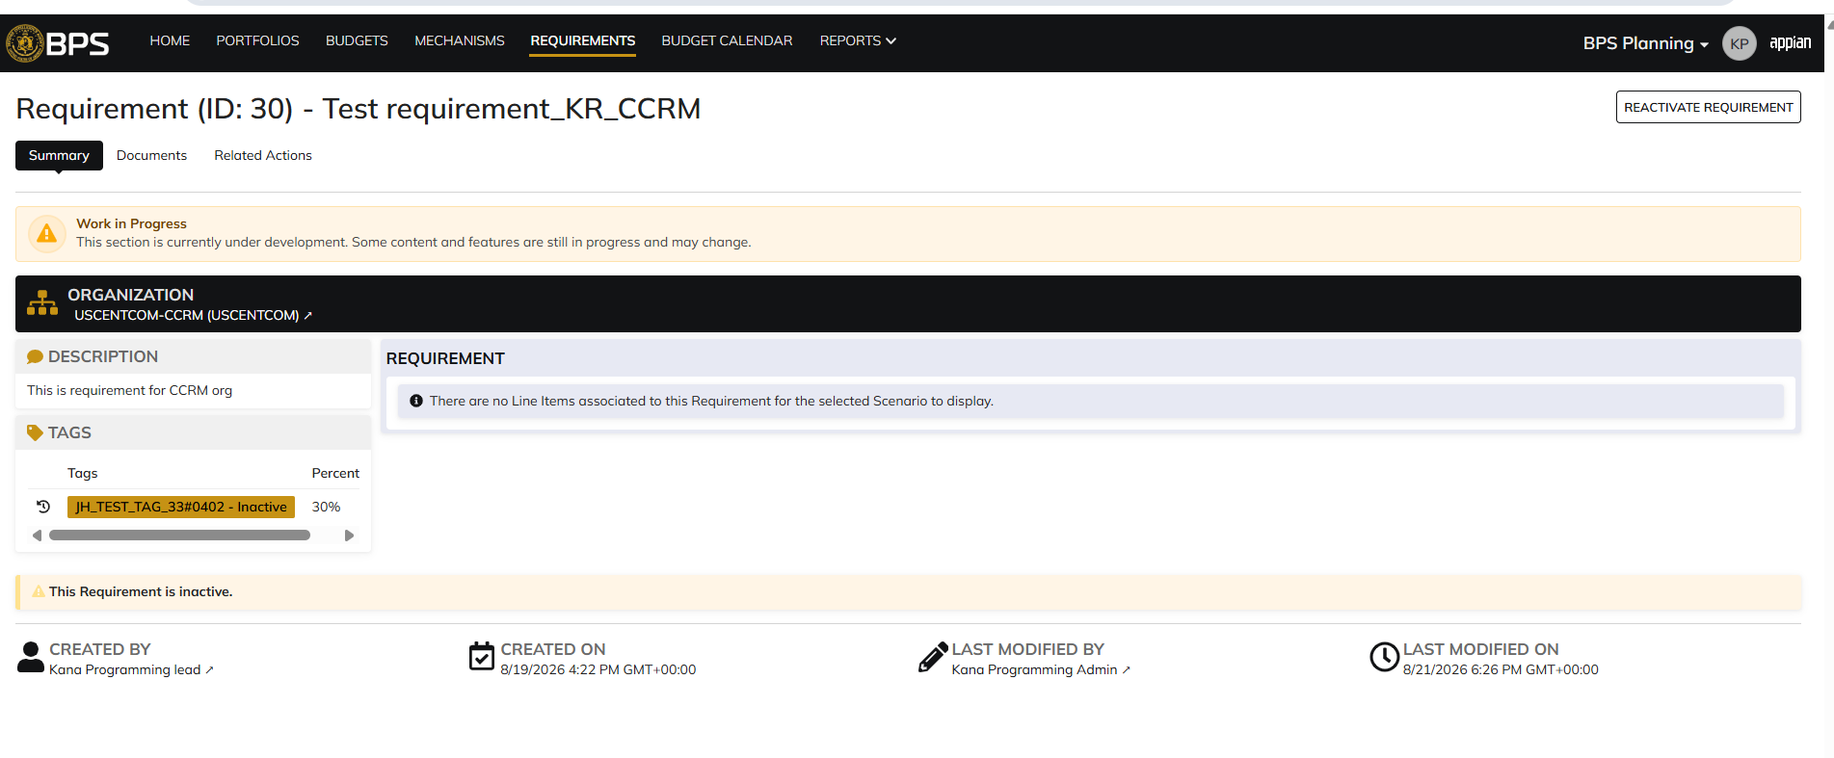
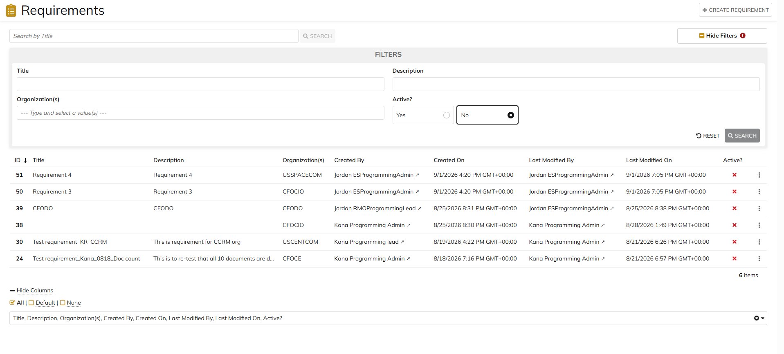

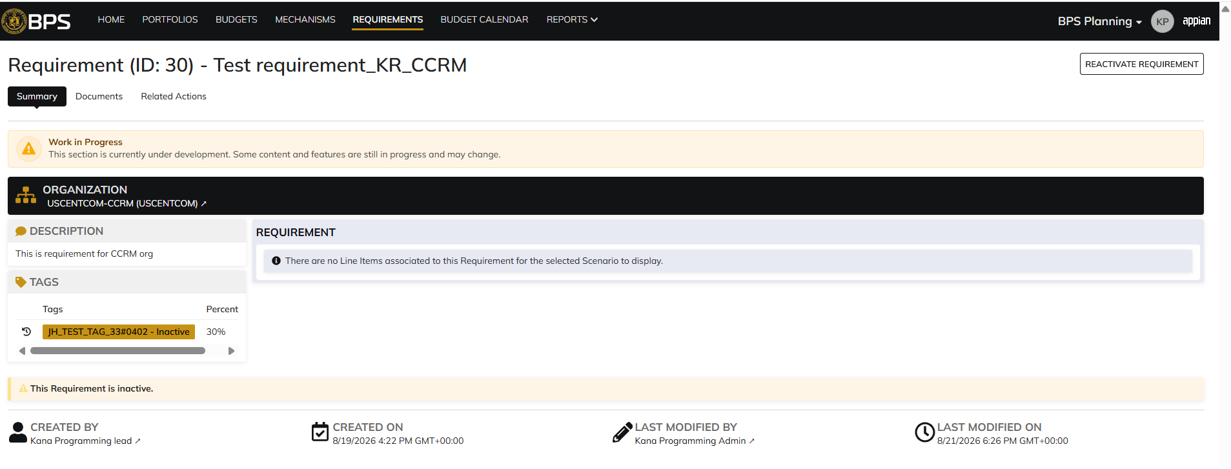

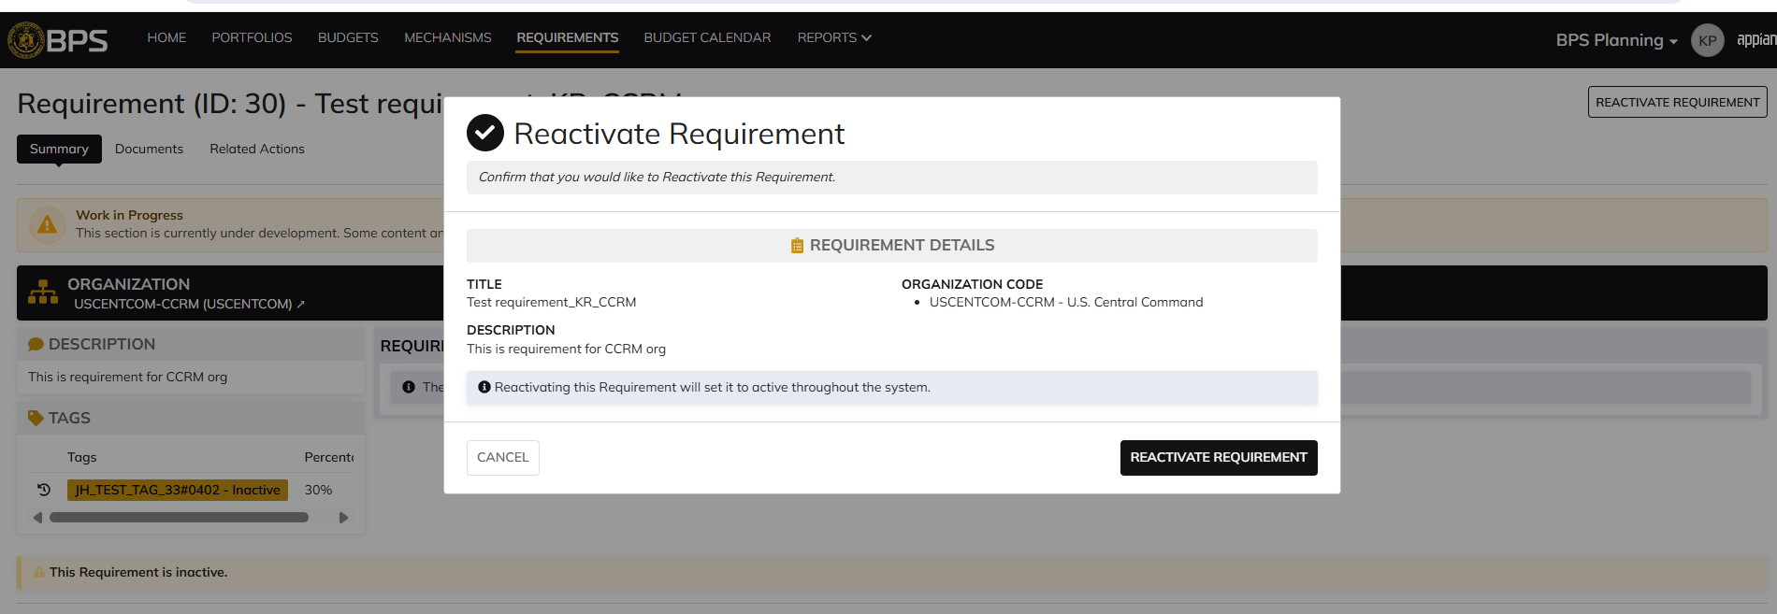

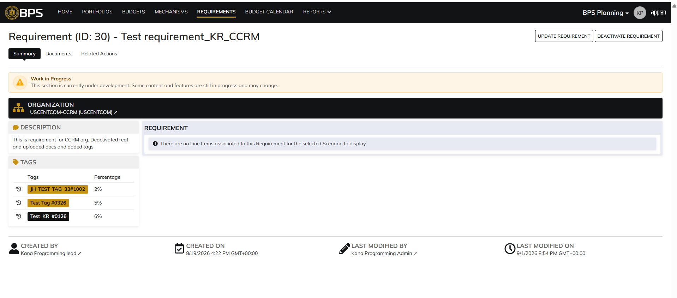

 |  |  |  | System information updated

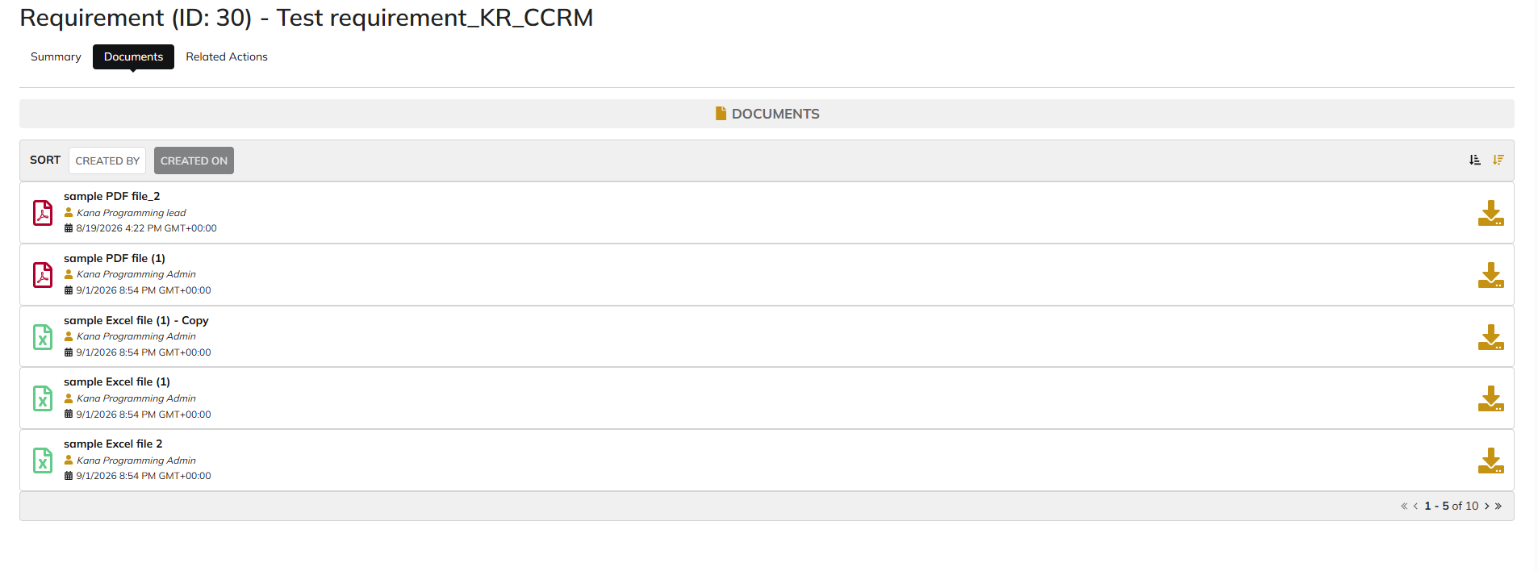

 |  |  |  | 10 docs uploaded and displayed

Programming Admin_Execution
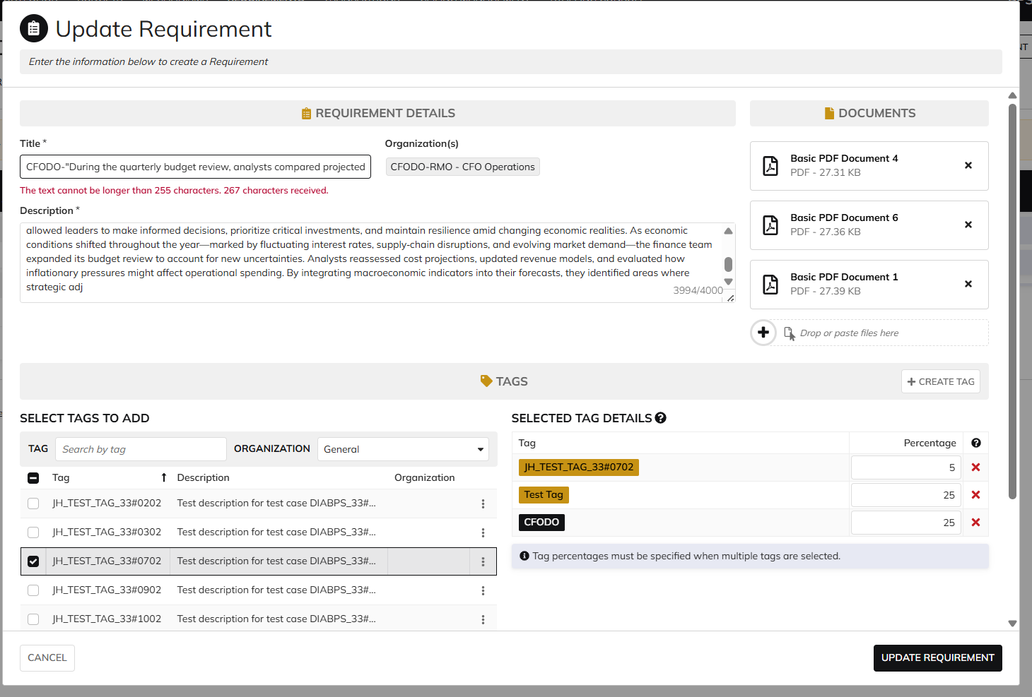
DIABPS Sprint 1.1 - DIABPS-65 TEST CASE SCENARIO |  | TESTER INFO
Test Case ID: | DIABPS_65#02 | Created By: | Kana Raghavan
Test Scenario: | A user with an appropriate role can deactivate a requirement from execution module | Created On: | 2026-08-24
User Story: | Deactivate a requirement( Planning and Execution Modules) | Reviewed By: | Jordan Helman
Story Description: | As a Programming Admin, user can deactivate a requirement. | Reviewed On:
Environment: | GIBS Test | Executed By: | Kana Raghavan
User Role(s): | Programming Admin for (ES/DS) Org | Executed On: | 2026-09-02
Pre-Conditions: | User able to login to Execution module successfully as Programming Admin who is assigned to specific Org (ES/DS)
Acceptance Criteria | From a requirement, user can take the action to deactivate a requirement that is not linked to any line items The requirement will still be visible in the system as deactivated User can filter on the requirements site page (active requirements are displayed by default) No actions will be available on this requirement The user will be able have the option to cancel out of the form The system will record the user who performed the action and the date and time it was performed.

Step Number | Step Description | Input Data | Expected Results | Pass/Fail
STEP 1 | Log in as a user with Programming Admin credential. User should be assigned to a specific Org (ES/DS). https://ams-test.appiancloud.us/suite/ | Username: | User able to login successfully | Pass
STEP 2 | Click on GIBS Execution module on top right dropdown to launch Execution module | N/A | User able to click on dropdown and able to launch Execution module | Pass
STEP 3 | Requirements grid is displayed with default "Active" requirements | N/A | User able to view requirements grid | Pass
STEP 4 | Click on "Show Filter" and select Active "No" and click search | N/A | User able to use Filter options | Pass
STEP 5 | Deactivated requirement(Inactive) is displayed | N/A | User able to view deactivated requirement/Inactive status | Pass
STEP 6 | Click on Requirement ID hyperlink | N/A | User able to click on hyperlink and screen is opened with Reactivate option | Pass
STEP 7 | User able to click on Reactivate requirement option | N/A | User able to reactivate requirement | Pass
STEP 8 | Reactivated requirement is displayed with Update and Deactivate option | N/A | Update and deactivate options are displayed | Pass
STEP 9 | User clicks on Summary, Documents and related actions tab | N/A | User able to view all the tabs successfully | Pass

Evidences

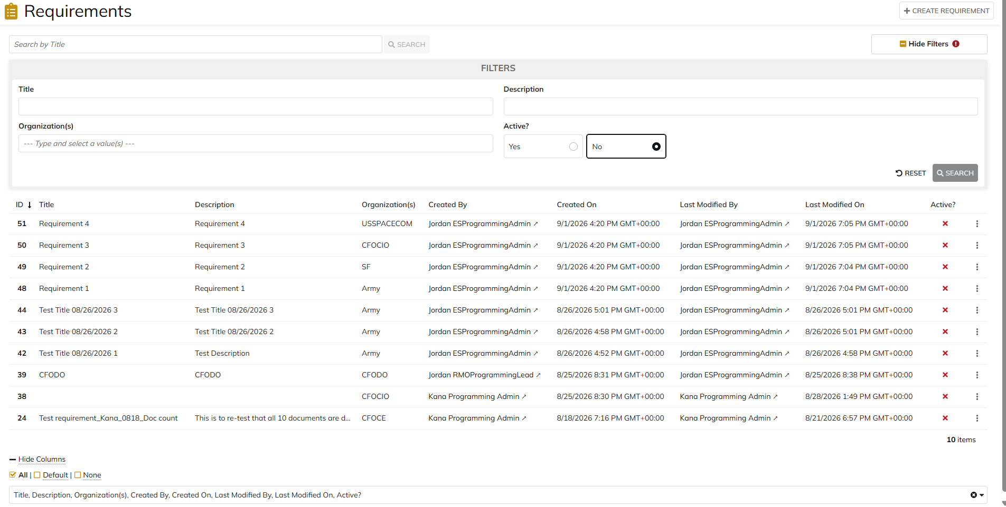

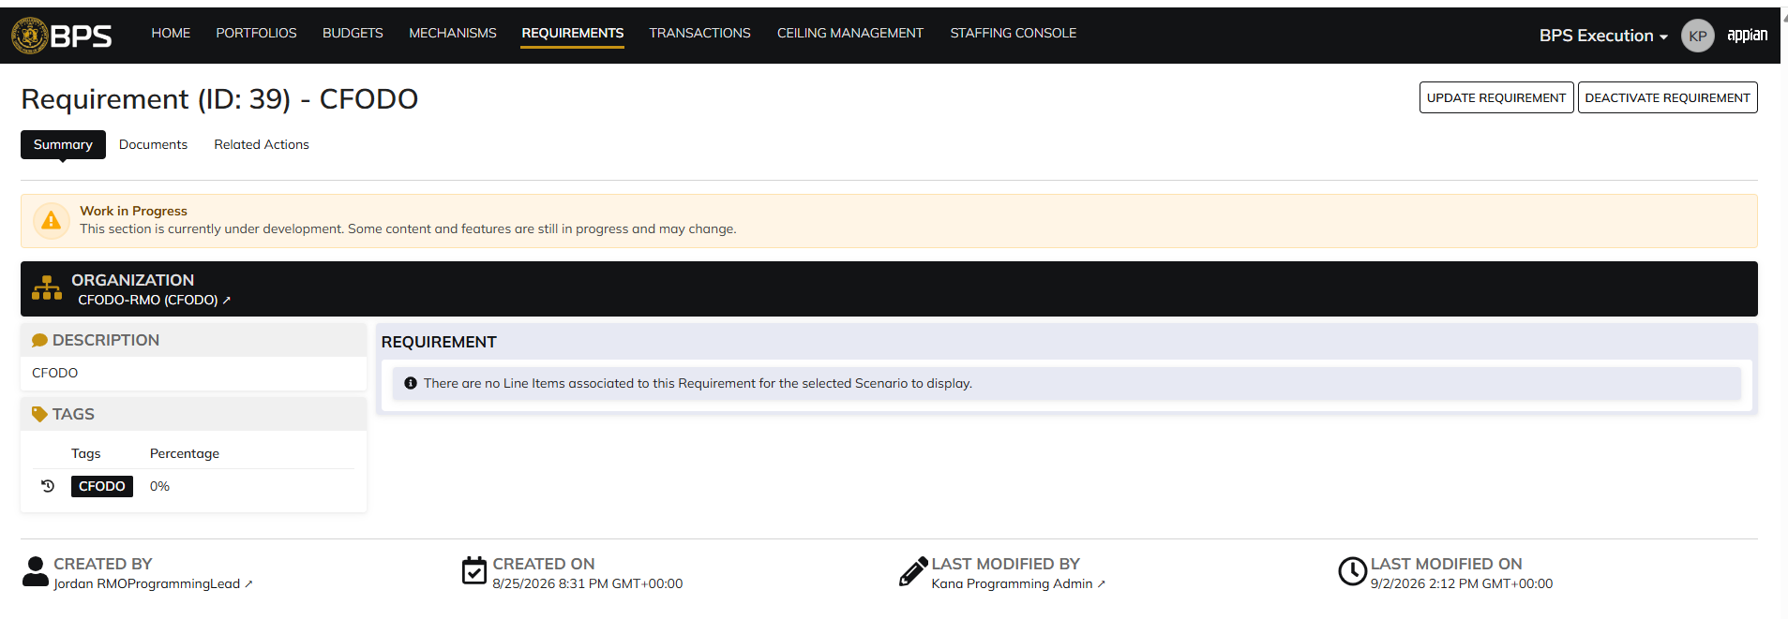

 | Title and Desc Character limit

